Sheet1
 | Document No. |  | Issue No. | Issue Date |  |  | Review and Replace Date |  | Authorised By
 | GFF351MC |  | 1 | 13.01.2022 |  |  | New Issue |  | Magda Shah
 | Document Title |  | 50 MUSHROOM & VEGETABLES SPRING ROLLS 2000G
Document amendments reason for change | New document |  |  |  |  | Previous Issue Date |  | New Issue | Uncontrolled copy unless signed original

PRODUCT NEED TO BE KEPT IN
A BLAST FREEZER OVERNIGHT
Non-MAP Pack
Pack+1 Year
FMVSRM-B50TBR |  | BURNING ROSE |  |  | 50 MUSHROOMS AND VEGETABLE SPRING ROLLS | 2000G |FROZEN
STEP 1 |  |  |  |  |  | STEP 2
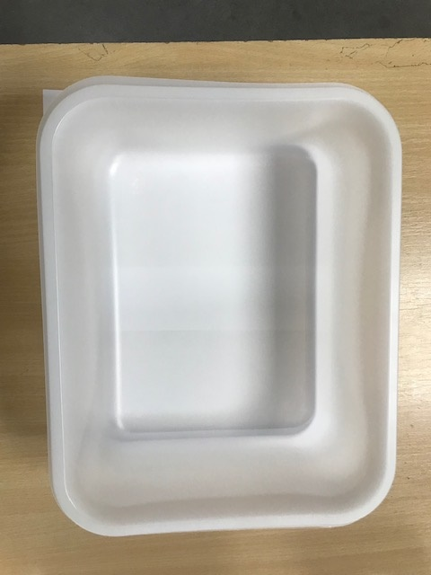 |  |  |  |  |  | 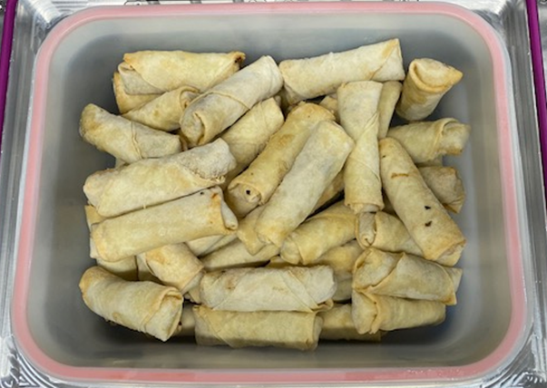 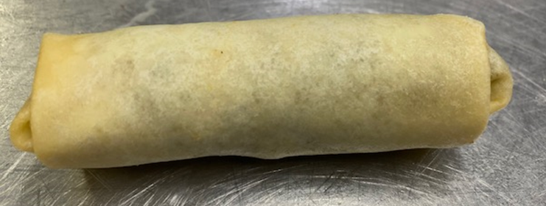

SPRING ROLLS NEED TO BE FROZEN TO MIN. -16°C BEFORE PACKING

PACK IN THE MORNING

Tray: HW320/115 - Translucent - 554 (PKPRO001-13) |  |  |  |  |  | 50 x MUSHROOM & VEGETABLE SPRING ROLLS (GFF417R) 40g |  |  | Total Weight 2000 g
Film: S300AF(PE) 300mmX510m AF Weld HB (PKPRO001-14)
ALLERGY ALERT: Milk, Wheat, Soya, Sesame

